Component
Component designation
Author: | Artjom Lukanowski
Date: | 07.03.2026
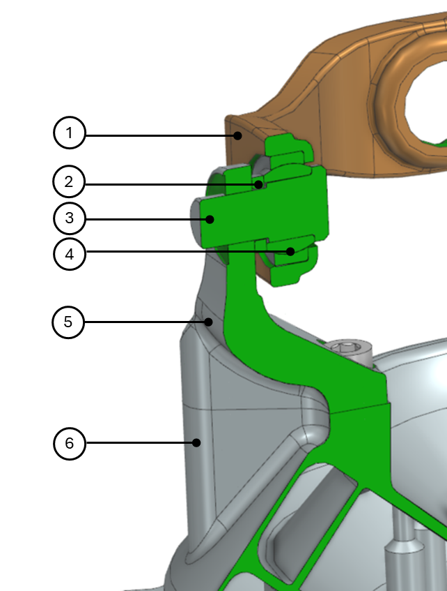
 |  | No. | Name
 |  | 1 | GIMBAL RING
 |  | 2 | SHIM
 |  | 3 | PIN
 |  | 4 | BEARING
 |  | 5 | GIMBAL LOWER SUPPORT
 |  | 6 | INJECTION HEAD

